Orbits
Planet | Radius | GM, km3/s2 | Gravity | Rotation | SOI | Hatm, km | Patm | Mod | O2 | i | e | a | Ap | Pe | Reference
Sun J | 175750 | 8390563181.8 | 27.700 | 1080000 | Infinity | 1600 | 0.1 | JNSQ |  |  |  |  | 0.000 | 0.000
Moho J | 650 | 1201.5597912 | 0.290 | 3796137.235 | 26572 | 0 | 0 | JNSQ |  | 7 | 0.2 | 14522400.000 | 17426880.000 | 11617920.000 | Sun
Eve J | 2050 | 57697.425275 | 1.400 | 81000 | 233567 | 60 | 10 | JNSQ |  | 2.1 | 0.01 | 27131000.000 | 27402310.000 | 26859690.000 | Sun
Gilly J | 30 | 0.0661948875 | 0.008 | 670318.53484 | 366 | 0 | 0 | JNSQ |  | 12 | 0.55 | 86920.000 | 134726.000 | 39114.000 | Eve
Kerbin J | 1600 | 25113.559708 | 1.000 | 43200 | 231588 | 85 | 1 | JNSQ | + | 0 | 0.02 | 37525647.898 | 38276160.856 | 36775134.940 | Sun
Mun J | 400 | 227.51428 | 0.145 | 1087680.6637 | 13860 | 0 | 0 | JNSQ |  | 0.5 | 0.005 | 90960.000 | 91414.800 | 90505.200 | Kerbin
Minmus J | 160 | 12.557533005 | 0.050 | 32400 | 7028 | 0 | 0 | JNSQ |  | 6 | 0.03 | 146970.000 | 151379.100 | 142560.900 | Kerbin
Duna J | 800 | 2133.92704 | 0.340 | 50400 | 131664 | 70 | 0.04 | JNSQ |  | 0.06 | 0.051 | 57189100.000 | 60105744.100 | 54272455.900 | Sun
Ike J | 210 | 25.9483959 | 0.060 | 955507.44559 | 6286 | 0 | 0 | JNSQ |  | 0.2 | 0.03 | 36680.000 | 37780.400 | 35579.600 | Duna
Edna J | 260 | 53.0343632 | 0.080 | 10800 | 49409 | 0 | 0 | JNSQ |  | 3 | 0.07 | 94080000.000 | 100665600.000 | 87494400.000 | Sun
Dak J | 20 | 0.03138128 | 0.008 | 284235.78722 | 244 | 0 | 0 | JNSQ |  | 10 | 0.01 | 4770.000 | 4817.700 | 4722.300 | Edna
Dres J | 360 | 152.5130208 | 0.120 | 16200 | 90298 | 0 | 0 | JNSQ |  | 5 | 0.145 | 112687000.000 | 129026615.000 | 96347385.000 | Sun
Jool J | 14000 | 1998987.536 | 1.040 | 19800 | 6745648 | 700 | 15 | JNSQ |  | 1.304 | 0.05 | 189765000.000 | 199253250.000 | 180276750.000 | Sun
Laythe J | 1100 | 6882.30697 | 0.580 | 115299.75344 | 9067 | 75 | 0.6 | JNSQ | + | 0.2 | 0.01 | 87640.000 | 88516.400 | 86763.600 | Jool
Vall J | 550 | 533.9720925 | 0.180 | 285030.00096 | 5962 | 0 | 0 | JNSQ |  | 0.3 | 0.03 | 160230.000 | 165036.900 | 155423.100 | Jool
Tylo J | 900 | 2541.88368 | 0.320 | 704636.40749 | 20348 | 85 | 0.2 | JNSQ |  | 0.1 | 0.01 | 292950.000 | 295879.500 | 290020.500 | Jool
Bop J | 190 | 17.70100325 | 0.050 | 1978081.2878 | 5553 | 0 | 0 | JNSQ |  | 15 | 0.235 | 582970.000 | 719967.950 | 445972.050 | Jool
Pol J | 130 | 4.97197155 | 0.030 | 18000 | 4238 | 0 | 0 | JNSQ |  | 4.25 | 0.17085 | 739460.000 | 865796.741 | 613123.259 | Jool
Lindor | 8000 | 589968.064 | 0.940 | 25200 | 7845120 | 540 | 15 | JNSQ |  | 1.7 | 0.03 | 359571000.000 | 370358130.000 | 348783870.000 | Sun
Krel | 150 | 6.61948875 | 0.030 | 116041.15446 | 614 | 0 | 0 | JNSQ |  | 1.5 | 0.02 | 58600.000 | 59772.000 | 57428.000 | Lindor
Aden | 300 | 61.781895 | 0.070 | 286875.249 | 2741 | 0 | 0 | JNSQ |  | 0.25 | 0.01 | 107140.000 | 108211.400 | 106068.600 | Lindor
Huygen | 670 | 660.33077775 | 0.150 | 664152.06128 | 12376 | 180 | 1.5 | JNSQ |  | 0.75 | 0.025 | 187500.000 | 192187.500 | 182812.500 | Lindor
Riga | 750 | 992.9233125 | 0.180 | 1407680.0945 | 24040 | 90 | 0.06 | JNSQ |  | 0.5 | 0.03 | 309380.000 | 318661.400 | 300098.600 | Lindor
Talos | 500 | 269.682875 | 0.110 | 3573035.4844 | 26558 | 0 | 0 | JNSQ |  | 1 | 0.04 | 575680.000 | 598707.200 | 552652.800 | Lindor
Eeloo J | 600 | 529.5591 | 0.150 | 14400 | 621195 | 80 | 0.02 | JNSQ |  | 6.15 | 0.26 | 471171300.000 | 593675838.000 | 348666762.000 | Sun
Celes | 200 | 15.69064 | 0.040 | 1548329.2941 | 7782 | 0 | 0 | JNSQ |  | 10 | 0.05 | 31800.000 | 33390.000 | 30210.000 | Eeloo
Tam | 10 | 0.0034323275 | 0.004 | 4490316.3836 | 544 | 0 | 0 | JNSQ |  | 9.5 | 0.025 | 64670.000 | 66286.750 | 63053.250 | Eeloo
Hamek | 450 | 198.5846625 | 0.100 | 14400 | 469439 | 0 | 0 | JNSQ |  | 4 | 0.1 | 527129000.000 | 579841900.000 | 474416100.000 | Sun
Nara | 3600 | 127094.184 | 1.000 | 43200 | 20213317 | 200 | 40 | JNSQ |  | 20 | 0.35 | 1712000000.000 | 2311200000.000 | 1112800000.000 | Sun
Amos | 320 | 60.2520576 | 0.060 | 232809.99739 | 2616 | 35 | 0.01 | JNSQ |  | 0.5 | 0.01 | 55880.000 | 56438.800 | 55321.200 | Nara
Enon | 700 | 720.788775 | 0.150 | 788078.42085 | 15914 | 0 | 0 | JNSQ |  | 0.2 | 0.015 | 125980.000 | 127869.700 | 124090.300 | Nara
Prax | 110 | 2.3732093 | 0.020 | 21600 | 9653 | 0 | 0 | JNSQ |  | 17 | 0.4 | 751900.000 | 1052660.000 | 451140.000 | Nara

 |  |  |  |  |  |  |  |  |  |  |  |  |  |  |  |  | Shadow time |  | Scansat
3 | R, km | Ap, km | Pe, km | Va, km/s | Vp, km/s | T, s | y | d | h | m | s | max. Lat., deg. | min. Lat., deg. | max. DSurf., km | DSat., km | Alt., km | Ap, s | Pe, s | Scanner | Band, deg. | Rotations to new series | No of Series | Time, days | Incl., deg
Kerbin J | 1600 | 8969.149 | 8969.149 | 1.5415 | 1.5415 | 43081.001 | 0 | 0 | 11 | 58 | 1.0 | 81.29 | 72.38 | 10447.340 | 18306.304 | 18.7 | 2084.0 | 2084.0
Kerbin J | 1600 | 2602.090 | 2602.090 | 2.4447 | 2.4447 | 10800.000 | 0 | 0 | 3 | 0 | 0.0 | 67.62 | 40.40 | 3885.558 | 7278.233 | 130.3 | 1342.9 | 1342.9
Kerbin J | 1600 | 2602.000 | 90.000 | 1.8516 | 4.6039 | 6339.790 | 0 | 0 | 1 | 45 | 39.8 | 67.62 | 40.40 | 3885.461 | 7278.077 | 130.3 | 1773.0 | 912.5

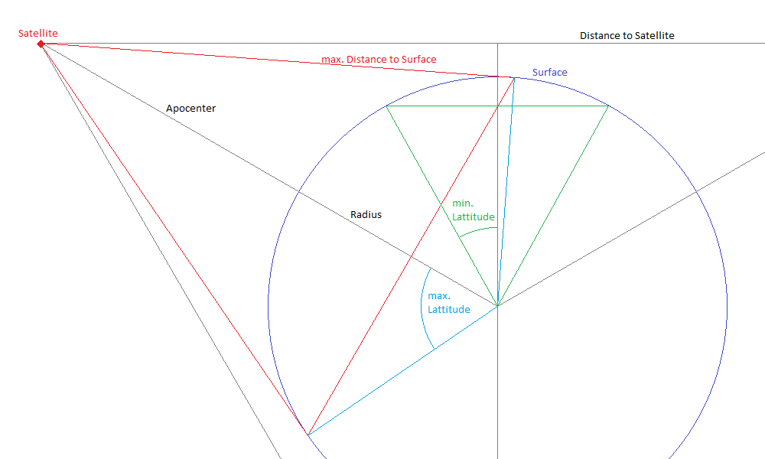

Scanner | FoV | H opt | H min | Hmax
MS | 4 | 250 | 5 | 500

